Q1-3
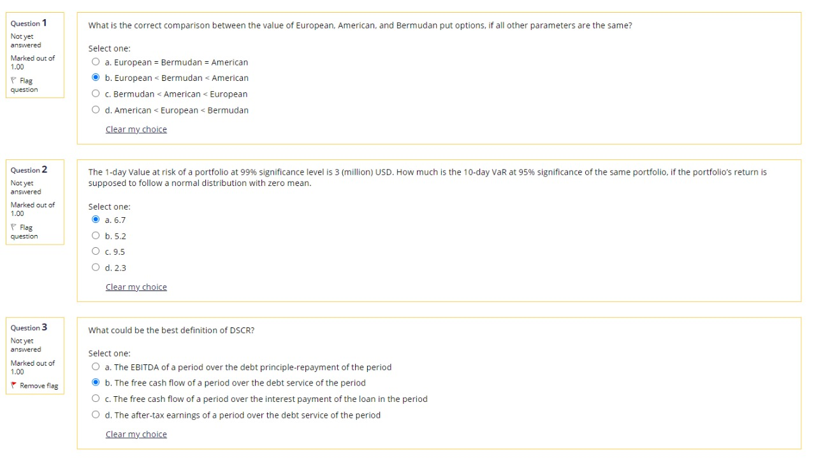
1) | b
The comparison is possible because all options are the same except for the early exercise possibility
European does NOT offer the early exer. possibility so it is the cheapest
Bermudan allows early exer. only on PRE-SPECIFIED DATES in the contract, which is a bit more flexible than the European
American allows early exer. at ANY TIME until maturity, which is even more flexible than the Bermudan

2) | a | https://en.ppt-online.org/310973
Delta normal |  | 99% | 95%
 | mean | $0.00 | $0.00
 | stdev | $1.29 | $4.08
 | days | 1 | 10
 | multiplier | 2.33 | 1.64 |  | VAR=STDEV*MULTIP
 | VaR | $3.00 | $6.71

3) | b | From Case final exam
1. What could be the definition of DSCR?
 |  |  |  | DEBT SERVICE COVERAGE RACIO
a. The after-tax earnings of a period over the debt service of the period.
b. The EBITDA of a period over the debt principle repayment of the period.
c. The free cash flow of a period over the debt service of the period.
d. The free cash flow of a period over the interest payment of the loan in the period.
The correct answer is: The free cash flow of a period over the debt service of the period.

Q4-6
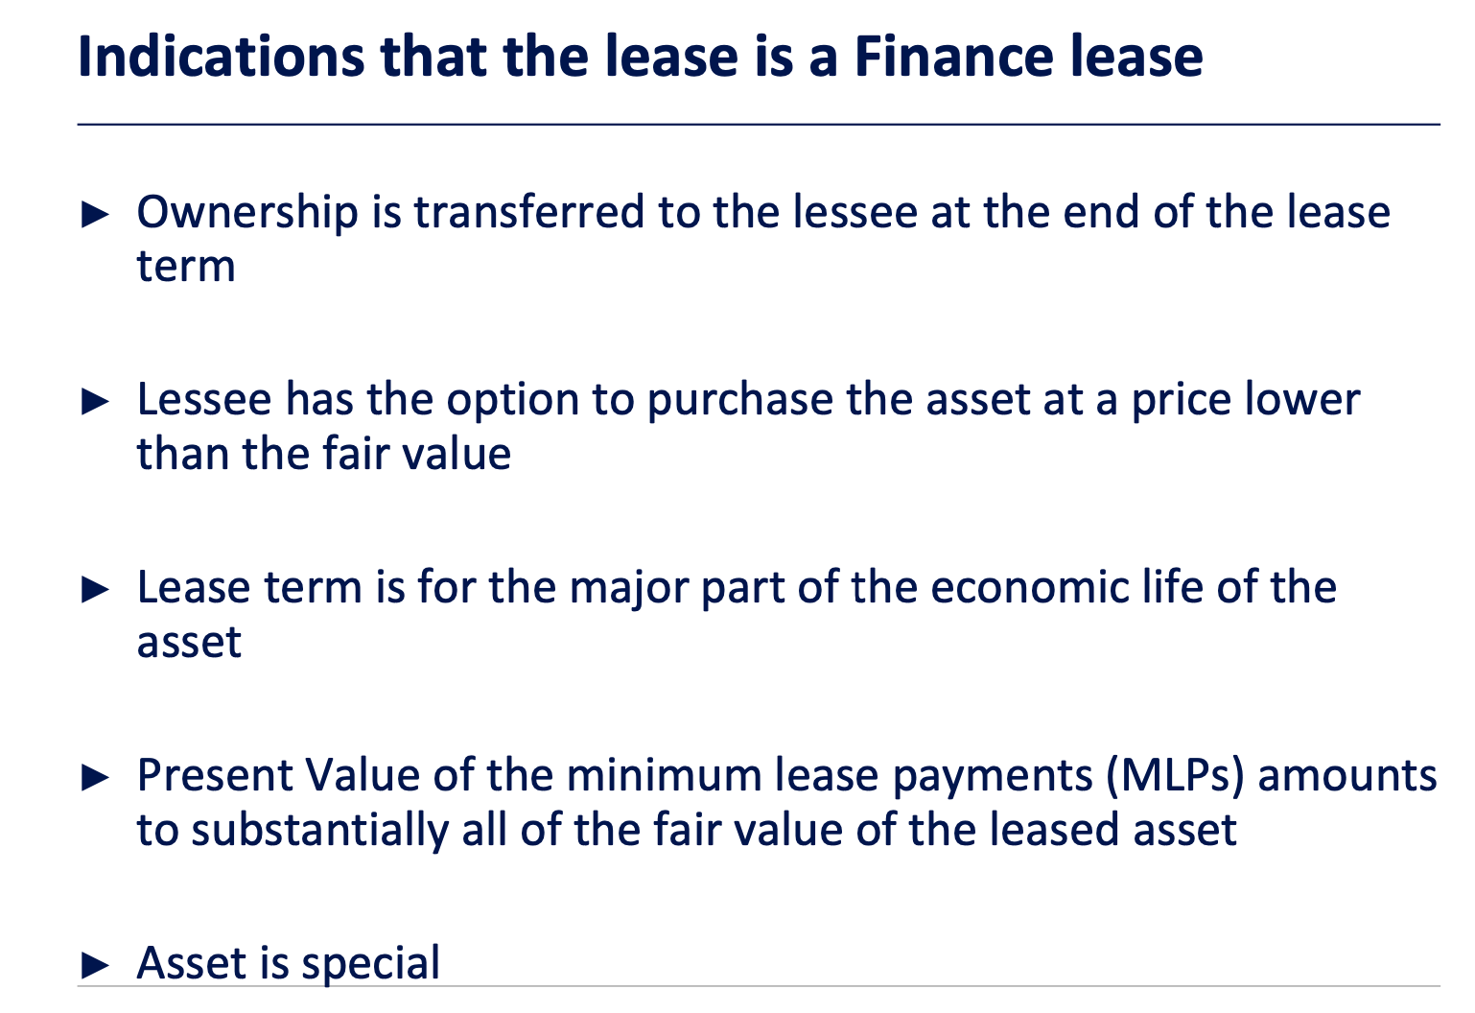
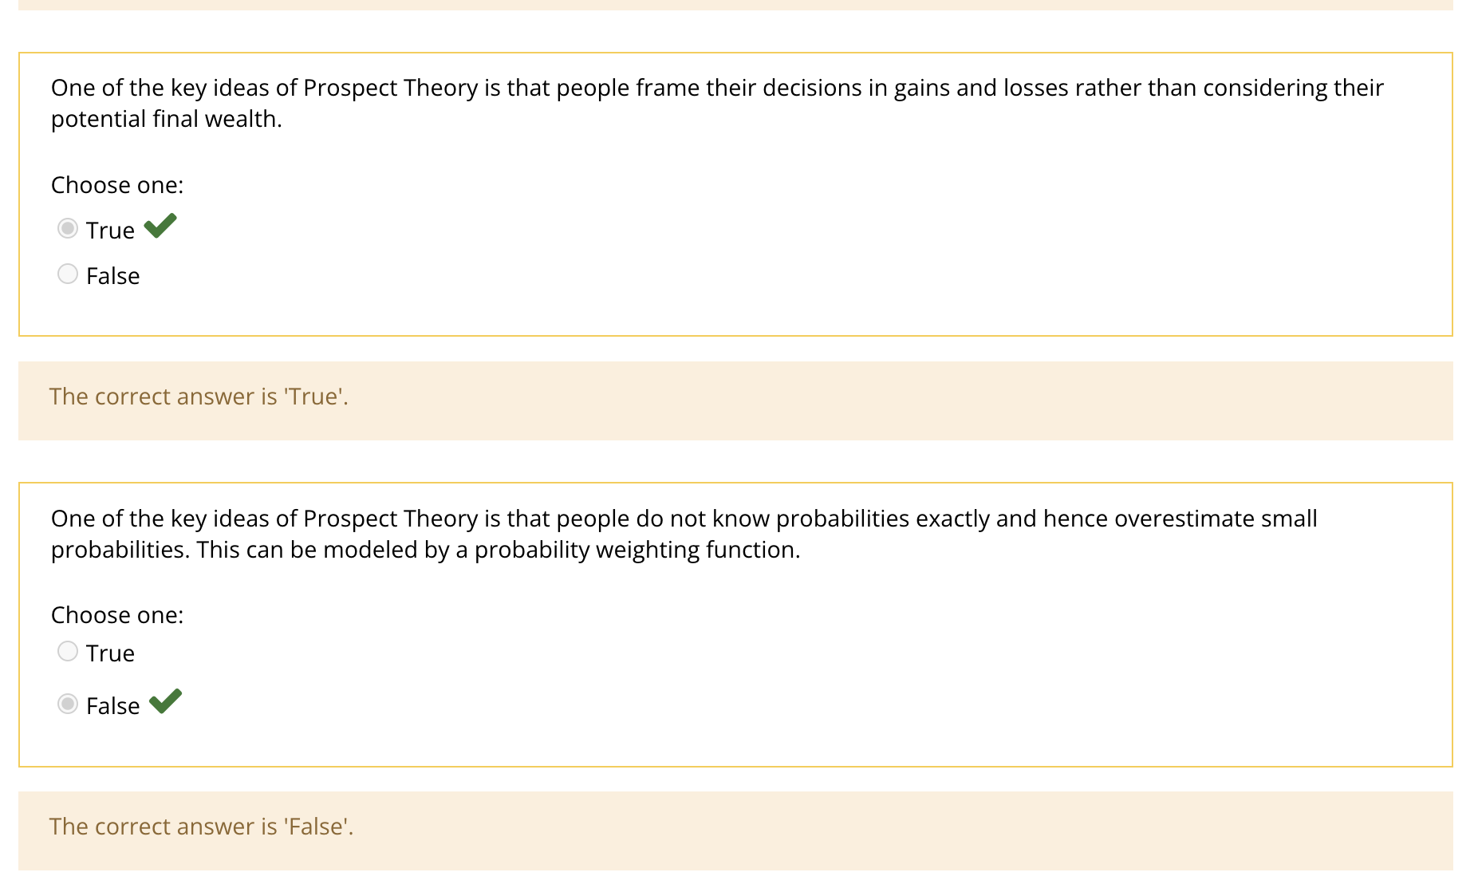
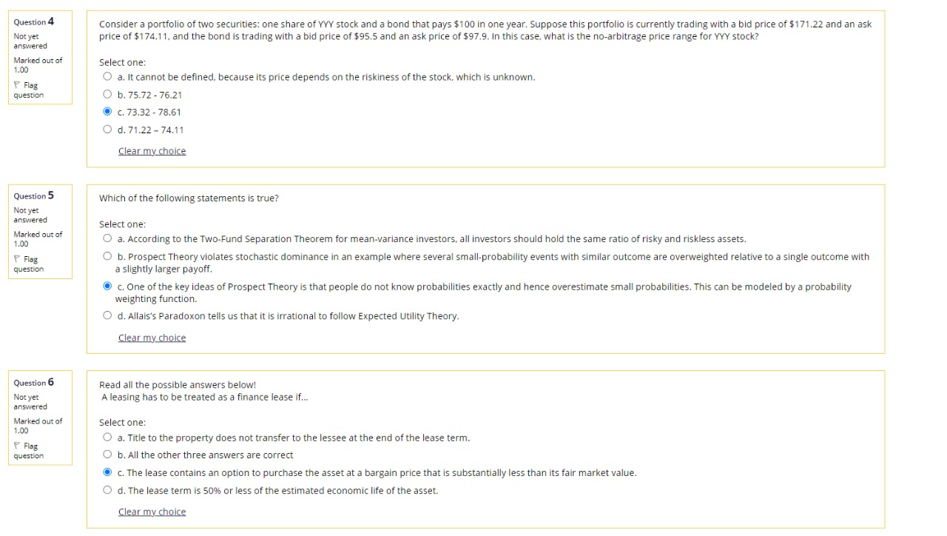
4) | c
Arbitrage: buy (ask) cheap, sell (bid) at a higher "expensive" price. NO arbitrage means this possibility is eliminated.
 |  | Bid | Ask
1 YYY + 1 Bond |  | 171.22 | 174.11 | you can buy the portfolio at 174.11 (or sell it at 171.22)
 | Bond | 95.5 | 97.9 | and sell the bond at 95.5 (or buy the bond at 97.9)
 | YYY? | 73.32 | 78.61 | you are left with a stock worth 174.11 - 95.5 = 78.61 as if you bought it directly at Ask (you are left with cash of 171.22 - 97.9 = 73.32 as if you originally sold the stock at Bid)
 |  | 73.32 | 78.61
5) | b

Two-Fund Separation Theorem for mean-variance investors say that all investors should hold the same portfolio of risky assets.
Several small-probability events with similar outcome are overweighted relative to a single outcome with a slightly larger payoff, thus PT prefers the former to the latter, violating stochastic dominance.

People tend to overweight small probabilities and underweight large probabilities. This can be modeled by a probability weighting function.
Allais’s Paradoxon tells us that that Expected Utility Theory does not explain actual behavior of a person sufficiently well.

6) | c

Q7-9
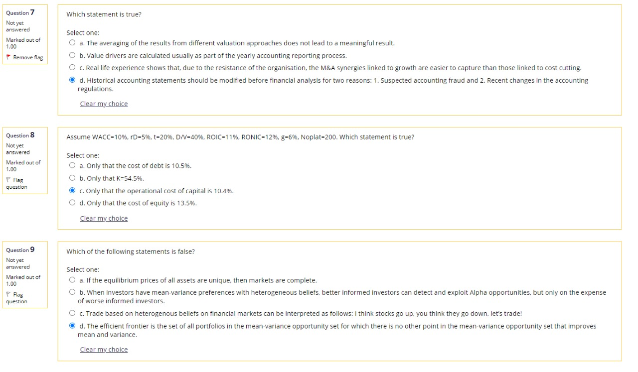
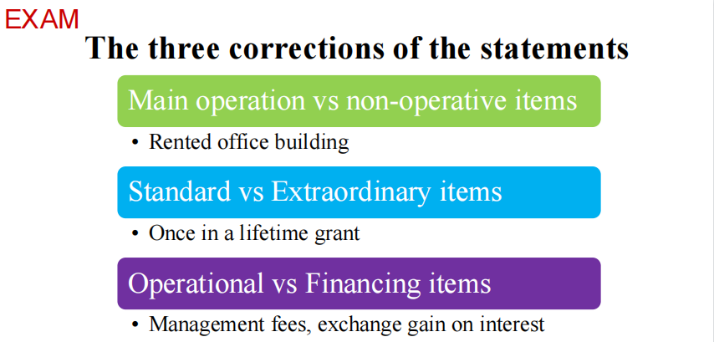
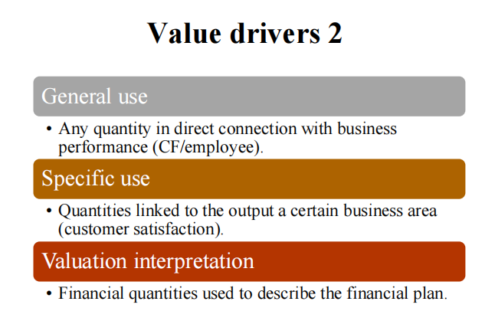
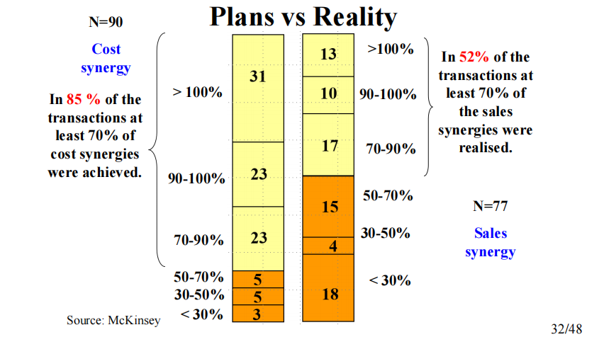
 | 7) | a
 | yes, it DOES NOT because assumptions for each approach are different

 | 8) | c

 | cost of debt ==> rD
 | K is only relevant for the TV period and since WACC < ROIC < RONIC, TV is not applicable so no K is applicable
 |  | 0.50
 | rA | 0.104
 | rE = (WACC - D/V * rD * (1 - t)) (1 - D/V) | 0.140
 |  |  | RE=(wacc-(D/v/rd*(1-tax)))/E/v
 | 9) | a

 | if the eq. prices of ALL ASSETS are ARBITRAGE FREE then markets are complete

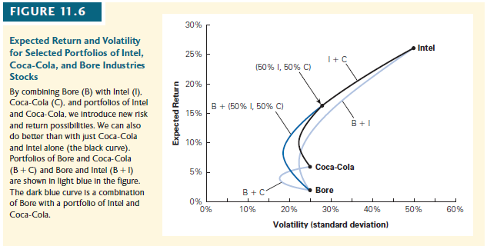

 |  |  | Markowitz assumed that investors might choose
ra=d/v*rd+e/v*re |  |  | any portfolio on the efficient frontier of risky investments,

Q10-12
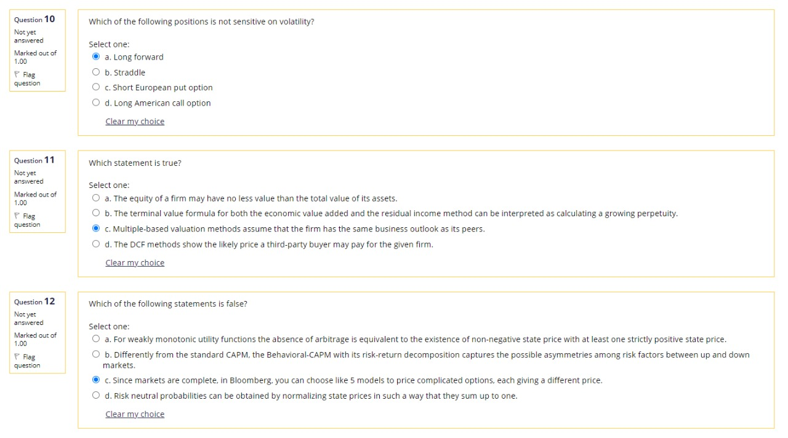
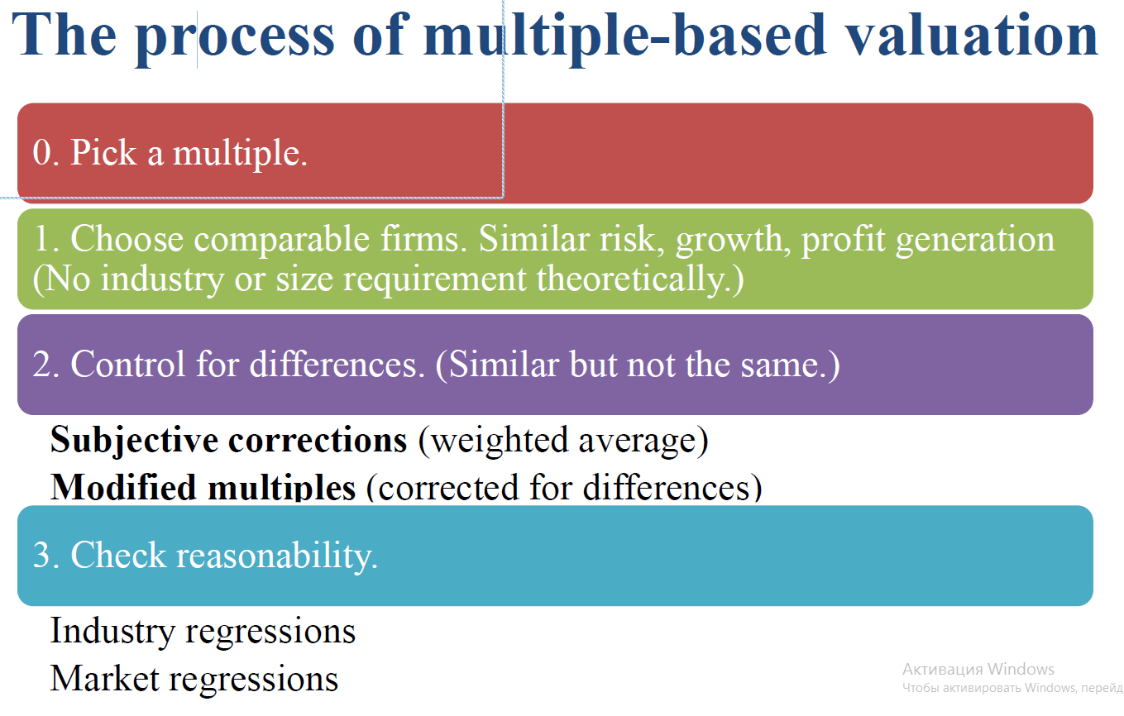
10) | a
Long forward position (and any position in a forward or in the stock itself) does not depend on volatility.

11) | c

Equity has to be less than or equal to Asset
The TV formula for FCFF, APV, and FCFE can be interepreted as a growing perp.

The Multiple-based methods show the likely price a third-pary buyer may pay for the given firm

12) | c

Since markets are complete, (..), each giving very similar prices

Q13-15
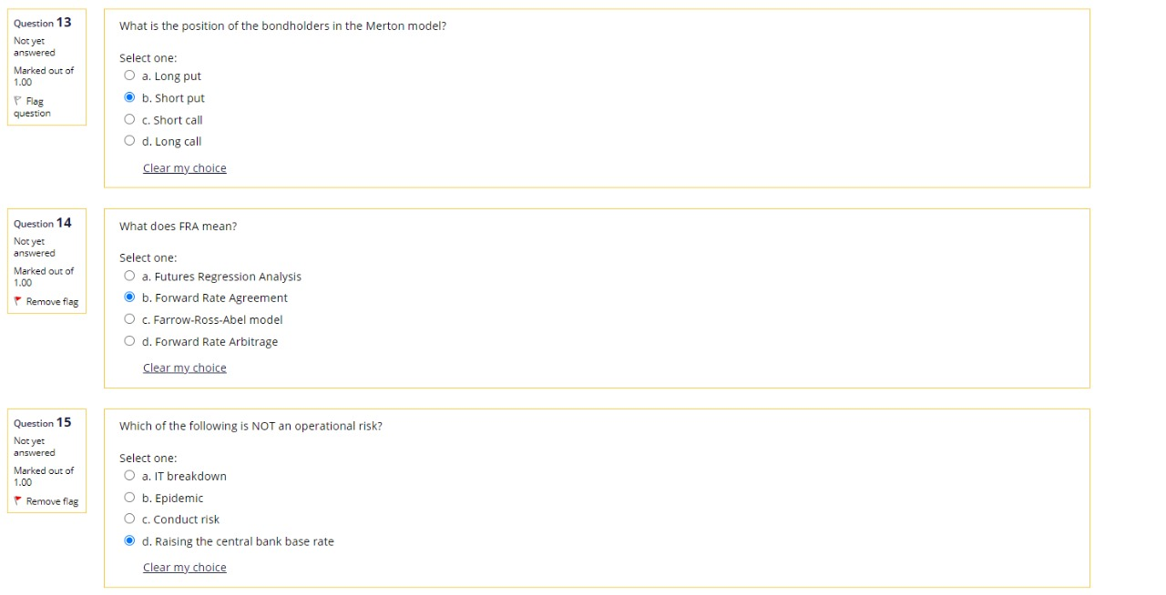
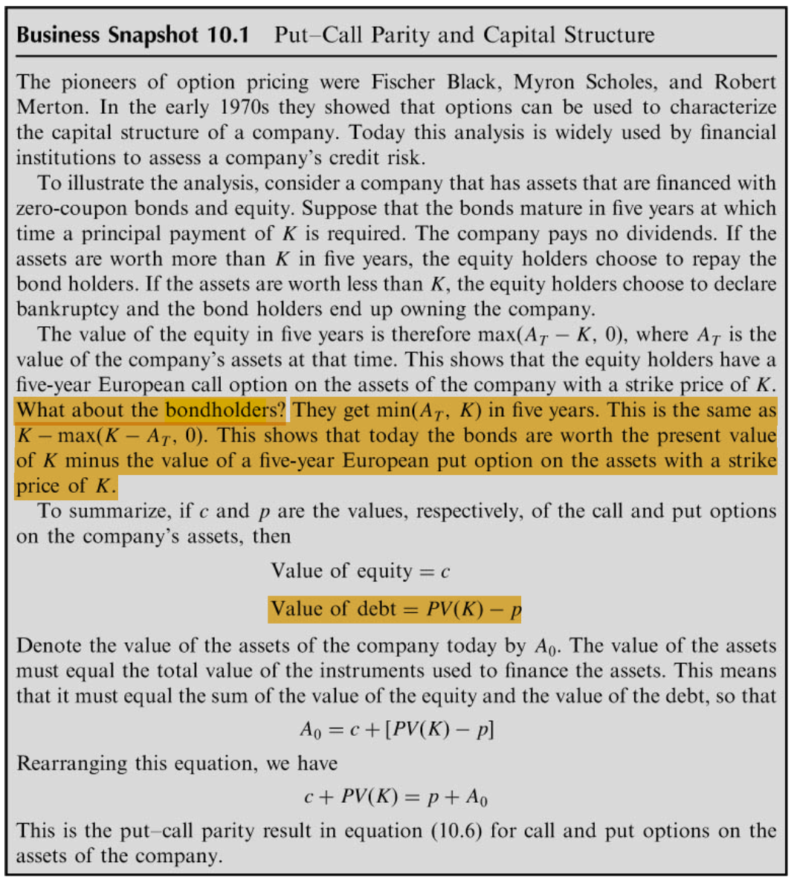
13) | b

14) | b

15) | d?
The operational
risk is due to the overall business, strategic, and market risk factors (suppliers,
off-takers and sales, political and regulatory issues, operation and maintenances,
etc.) of the running project (Gardner-Wright, n.d.).

Q16-18
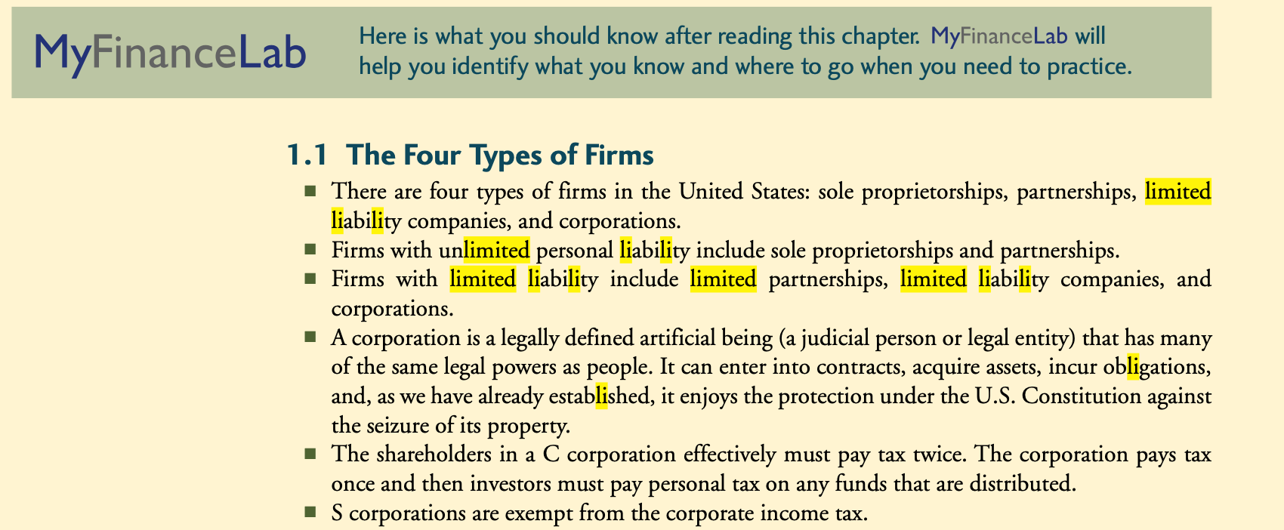
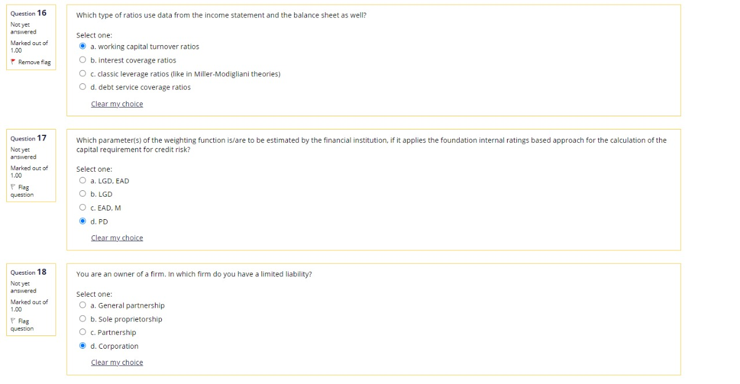
16) | a

Income statement
Balance Sheet
Income statement

17) | d | mock exam of risk class

18) | d | corp fin book

Q19-21
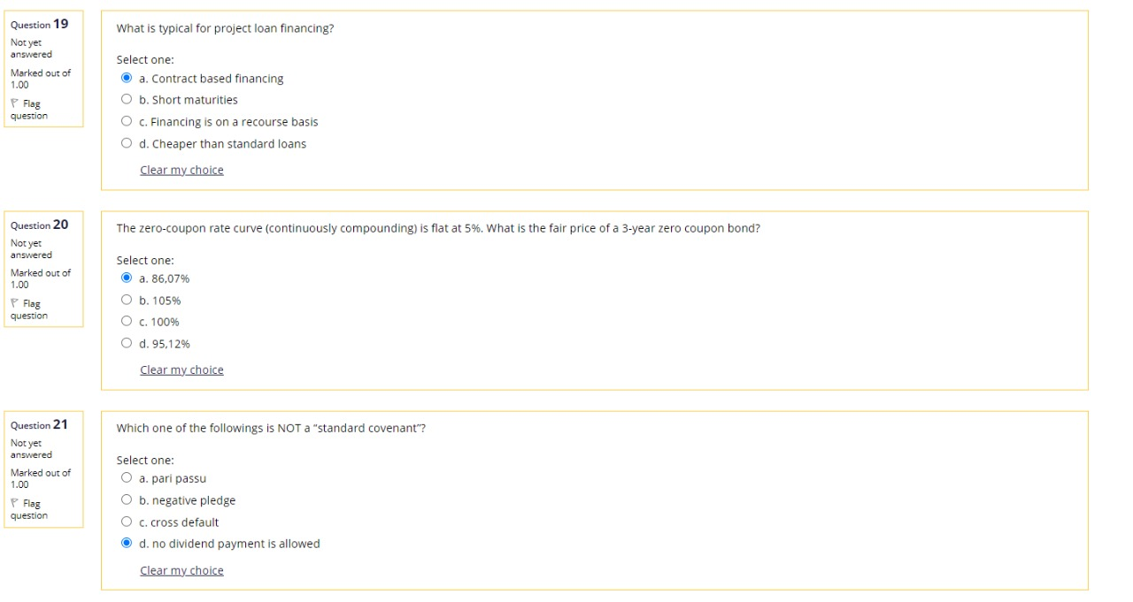
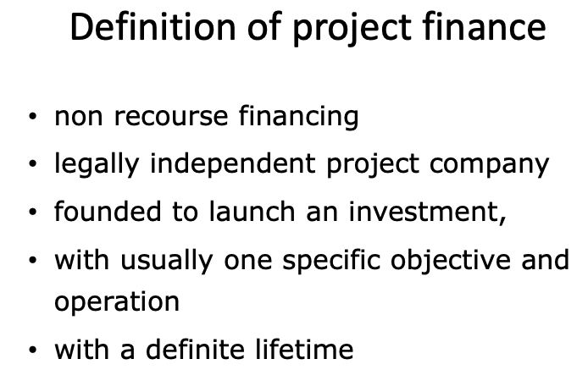
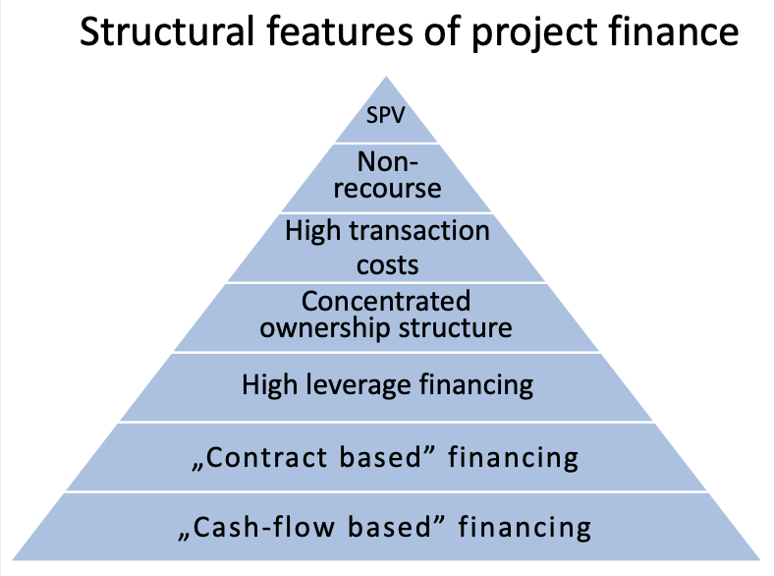
19) | a

20) | a | r

Zero Coupon Bond Price = N*EXP(-r*T) |  |  |  |  | Duration | 3 | Time of Maturity has the only payment
100*Exp(-5%*3) |  | 86.070797643 |  |  | YTM | 5% | because it is the only rate of discount and it's a flat curve
 |  | 90.483741804
 |  |  | 90.483741804
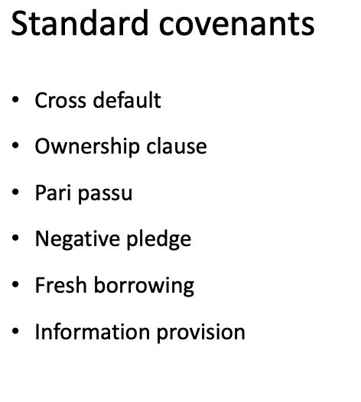

21) | d |  |  | C
 |  |  |  | O
 |  |  |  | P
 |  |  |  | N
 |  |  |  | F
this is a "contractual obligations" not a standard cov. |  |  |  | I

Q22-24
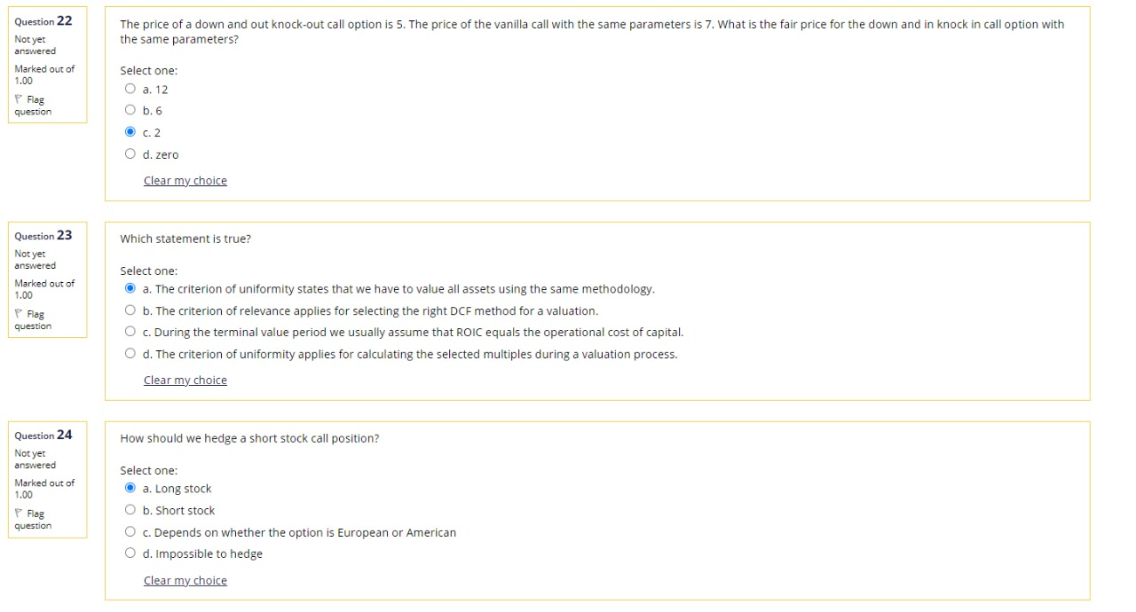
22) | c
Vanilla = KnockIN + KnockOUT
7 = 2 + 5

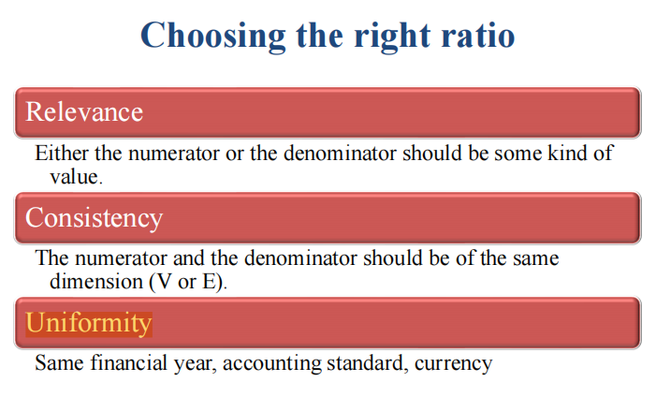

23) | a

relevance applies for selecting the right mutiple
equals WACC
uniformity applies to selecting the right mutiple for calculating the value of the firm

24) | a
We have a short call (on an underlying stock) position. To hedge this position, take the opposite position in the underlying stock (long stock).

Q25
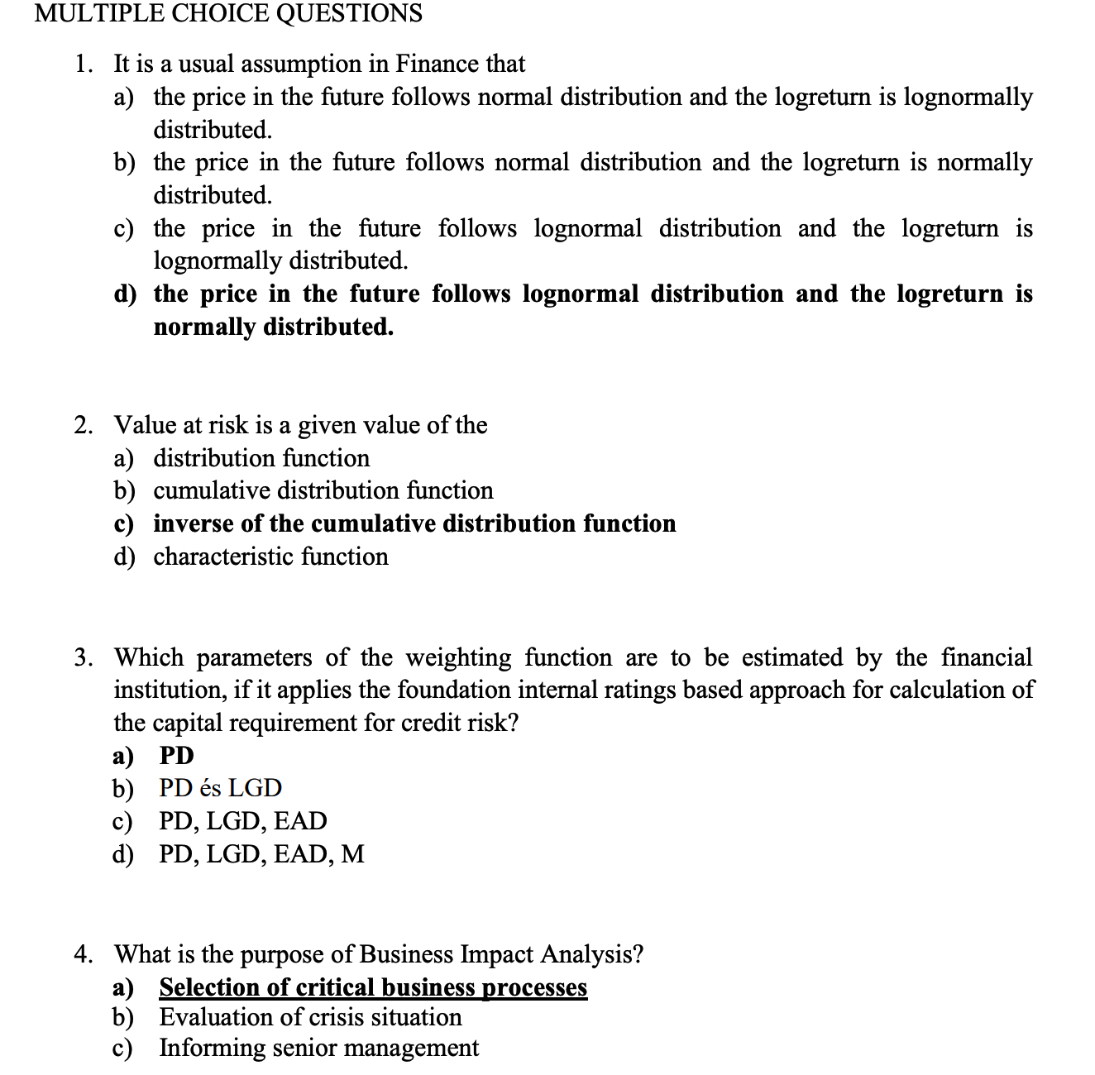
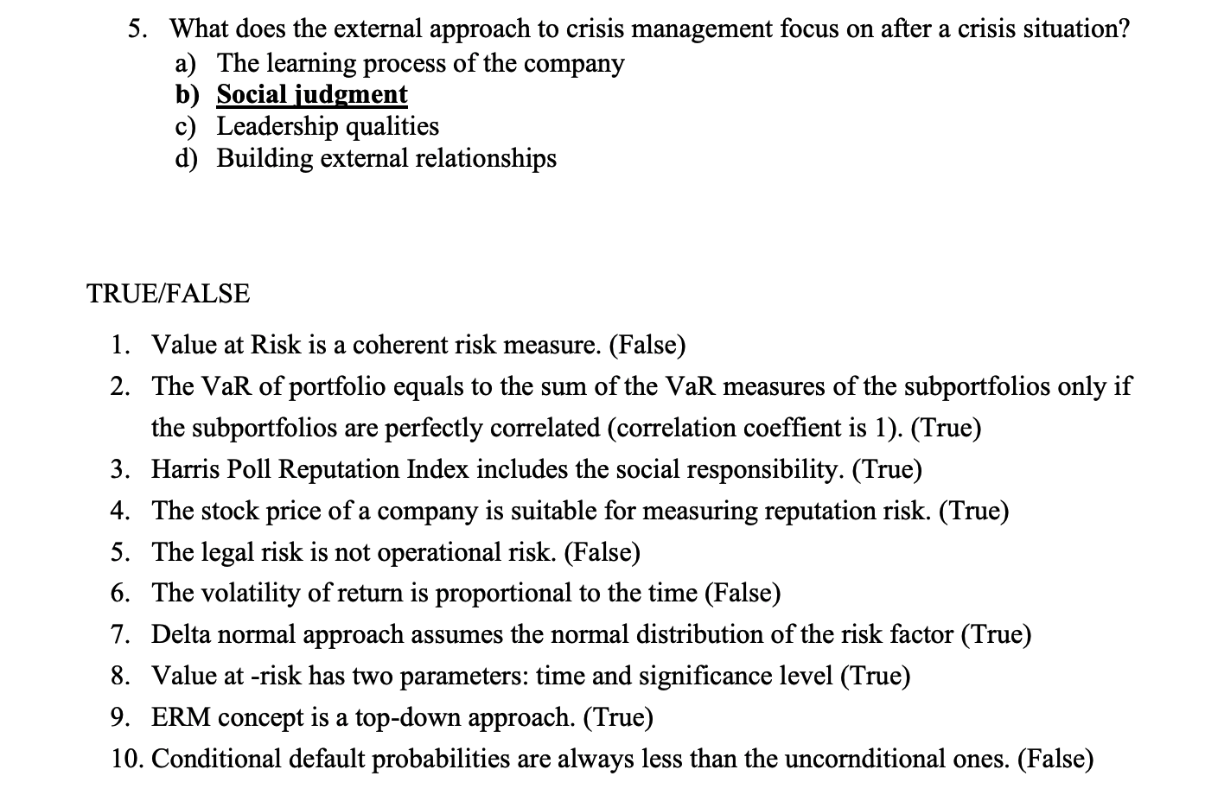
25) | a

The Wiener process is Markovian because at any present moment in time, the value of a future increment does not depend on the past values
The Wiener process is also a Martingale because the Expected Value of the increment at any point in time is 0

